Sheet1
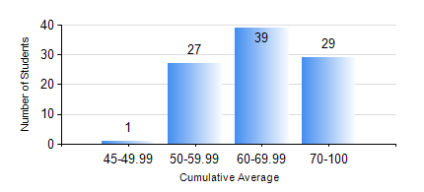
 |  |  | KWAME NKRUMAH UNIVERSITY OF SCIENCE AND TECHNOLOGY, KUMASI Department of Telecommunication Engineering

 |  |  | BSC. TELECOMMUNICATION ENG.

 |  |  | COMPREHENSIVE RECORD OF EXAMINATION RESULTS

 |  |  | RESULTS OF YEAR 3 FIRST SEMESTER, 2020/2021 ACADEMIC YEAR

 | Sn | Course Code |  | Course Name | Credit Hours | Min. Mark | Max. Mark | Avg. Mark | Std. Dev. | No. Passed | No. Trailed | No. (Df) | No. (I) | No. (I*) | No. Tagged(I,I*,Df) | Total
 | 0. |  |  |  |  |  |  | 0 | 0 | 0 | 0 | 0 | 0 | 0 | 0 | 3
 | 1. | COE 381 |  | MICROPROCESSORS | 3 | 19 | 94 | 56 | 16.85 | 83 | 10 | 0 | 0 | 0 | 0 | 93
 | 2. | EE 371 |  | LINEAR ELECTRONIC CIRCUITS | 3 | 30 | 80 | 54 | 10.89 | 88 | 5 | 0 | 0 | 0 | 0 | 93
 | 3. | MATH 351 |  | NUMERICAL ANALYSIS | 2 | 32 | 70 | 54 | 7.27 | 92 | 1 | 0 | 0 | 0 | 0 | 93
 | 4. | MATH 353 |  | PROBABILTY AND STATISTICS | 2 | 45 | 94 | 70 | 9.72 | 93 | 0 | 0 | 0 | 0 | 0 | 93
 | 5. | TE 361 |  | INFORMATION THEORY | 2 | 20 | 86 | 53 | 14.5 | 85 | 8 | 0 | 0 | 0 | 0 | 93
 | 6. | TE 381 |  | OPTICAL COMMUNICATIONS | 2 | 11 | 84 | 54 | 17.28 | 79 | 13 | 1 | 0 | 0 | 1 | 93
 | 7. | TE 385 |  | SIGNALS AND SYSTEMS | 2 | 19 | 85 | 56 | 15.08 | 83 | 10 | 0 | 0 | 0 | 0 | 93
 | 8. | TE 391 |  | TELECOMMUNICATIONS LAB III | 2 | 50 | 91 | 74 | 7.41 | 92 | 0 | 1 | 0 | 0 | 1 | 93

